coins
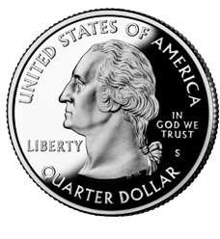
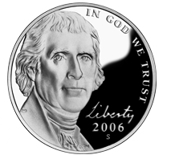
$0.31

1 | 0 | 1 | 1

0.25s | 0.10s | 0.05s | 0.01s

Hex coins
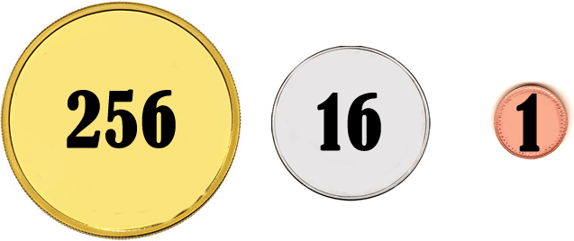

A | = | 10
B | = | 11
C | = | 12
D | = | 13
E | = | 14
F | = | 15

TryHexCoins
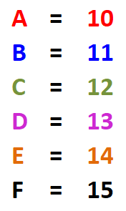
15 | 15 | 15
F | F | F

+
+
=
3840 | 240 | 15
Total: | 4095 |  | ₵

RGB numbers
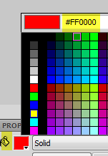
COLOR:
 | Red | Green | Blue
Decimal | 255 | 0 | 0
Binary | 11111111 | 00000000 | 00000000
Hex | FF | 00 | 00

 | Red | Green | Blue
Decimal | 0 | 255 | 0
Binary | 00 | FF | 00
Hex | 00 | FF | 00

 | Red | Green | Blue
Decimal | 0 | 0 | 255
Binary | 00000000 | 00000000 | 11111111
Hex | 00 | 00 | FF

 | Red | Green | Blue
Decimal | 255 | 255 | 0
Binary | 11111111 | 11111111 | 00000000
Hex | FF | FF | 00

 | Red | Green | Blue
Decimal | 255 | 0 | 255
Binary | 11111111 | 00000000 | 11111111
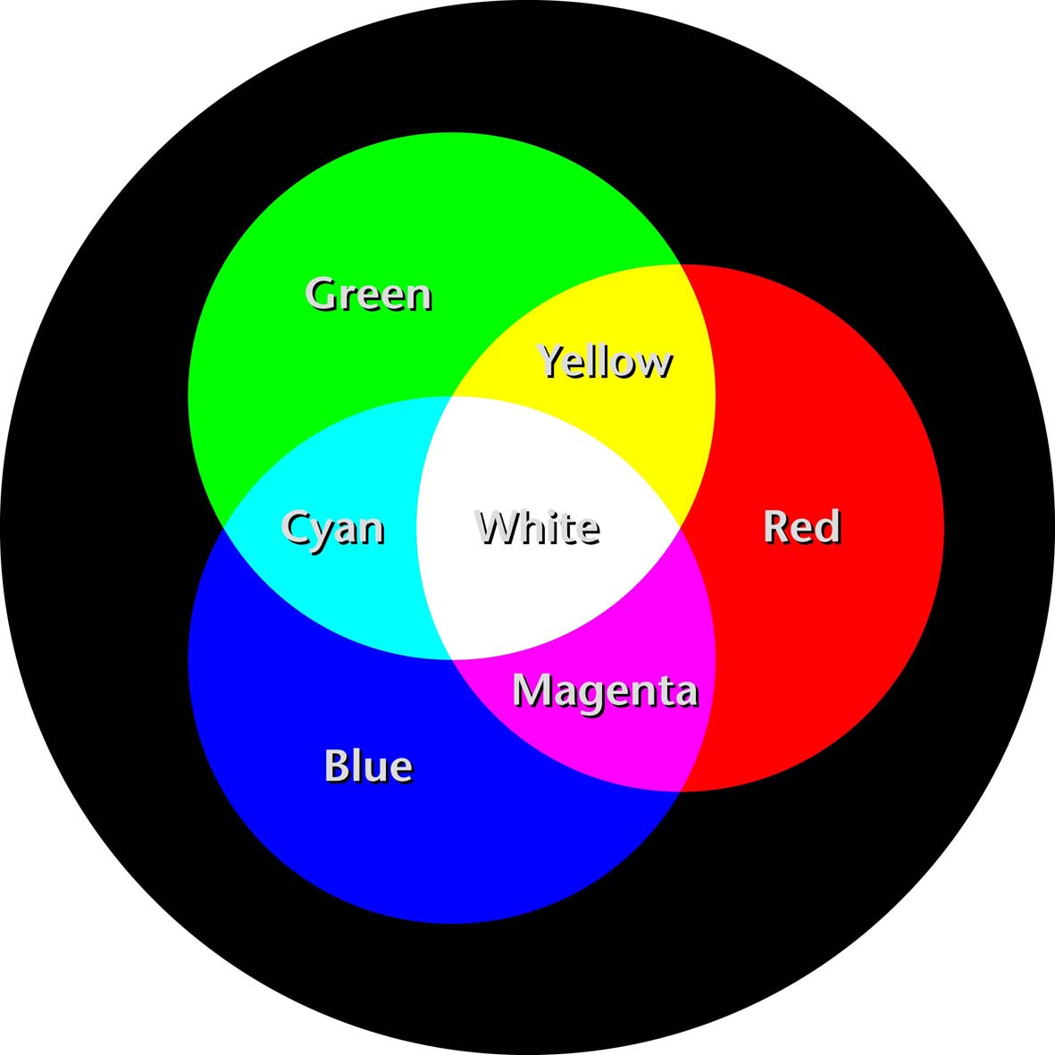
Hex | FF | 00 | FF

 | Red | Green | Blue
Decimal | 0 | 255 | 255
Binary | 00000000 | 11111111 | 11111111
Hex | 00 | FF | FF

 | Red | Green | Blue
Decimal | 255 | 255 | 255
Binary | 00000000 | 11111111 | 11111111
Hex | FF | FF | FF

 | Red | Green | Blue
Decimal | 0 | 0 | 0
Binary | 00000000 | 00000000 | 00000000
Hex | 00 | 00 | 00

 | Red | Green | Blue
Decimal | 255 | 255 | 255
Binary | 11111111 | 11111111 | 11111111
Hex | FF | FF | FF

